Excercise 3
AI – Exercise 3 : Analysis of AI Tool (ChatGPT)

📌 Task Given

The task is to select one AI platform and use it to solve a data analytics problem.

The selected AI platform is ChatGPT.

The objective is to analyze the Online Shoppers Purchasing Intention Dataset and calculate:

Standard Deviation (SD)

Covariance

to understand variation and relationship between browsing behavior variables.

🎯 Problem Statement

Using the Online Shoppers Purchasing Intention Dataset, calculate:

1. The Standard Deviation of ProductRelated_Duration

2. The Covariance between ProductRelated_Duration and PageValues

Standard Deviation helps measure how much user browsing duration varies from the average.

Covariance helps determine whether two variables increase or decrease together (relationship between browsing time and page value).

💻 Solution Code Generated Using ChatGPT

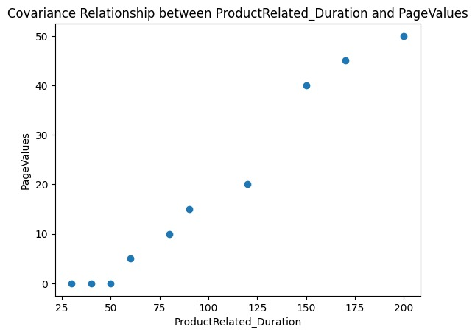
import pandas as pd
import numpy as np
import matplotlib.pyplot as plt

# Sample Online Shoppers Dataset (Example Values)
data = {
"ProductRelated_Duration": [50, 120, 30, 200, 80, 60, 150, 90, 40, 170],
"PageValues": [0, 20, 0, 50, 10, 5, 40, 15, 0, 45]
}

df = pd.DataFrame(data)

# Standard Deviation
sd = np.std(df["ProductRelated_Duration"])
print("Standard Deviation of ProductRelated_Duration:", sd)

# Covariance
covariance = np.cov(df["ProductRelated_Duration"], df["PageValues"])[0][1]
print("Covariance between ProductRelated_Duration and PageValues:", covariance)

# Visualization
plt.scatter(df["ProductRelated_Duration"], df["PageValues"])
plt.title("Covariance Relationship")
plt.xlabel("ProductRelated_Duration")
plt.ylabel("PageValues")
plt.show()

📊 Interpretation of Results

If Standard Deviation is high, user browsing time varies significantly.

If Covariance is positive, higher browsing duration tends to increase PageValues.

If Covariance is negative, more browsing may not lead to higher purchase value.

This helps businesses understand customer engagement patterns.

🤖 What ChatGPT Did

ChatGPT:

Understood the dataset structure.

Suggested appropriate statistical measures (SD and Covariance).

Generated working Python code using NumPy and Pandas.

Added visualization (scatter plot) to show relationship clearly.

Provided interpretation of analytical results.

